L9A1
EE417 Advanced Digital Logic with Verilog HDL |  | Name: Ron Kalin / Lamin Jammeh | Date: 07/10/24
Lesson 9 | Digital Signal Processing
Instructions Digital Signal Processing is essential in different applications. Filtering audio signals for clear audio output hearing, or for speaker identification, or speech recognition are one of few applications of DSP. Filtering image pixels to remove salt and pepper noise, or embedding security information in image steganography is also part of some applications of DSP. Integrators, Differentiators, Decimators and Interpolators are also commonly used DSP applications. Implementing DSP in hardware allows for parallel, and faster data processing. As an application of commonly used DSP functions, we cover in this assignment: 1. Moving Average Filters 2. Differentiators 3. Linear Interpolators For all the assignments, include a screenshot of your code, the test-bench and the testing results clearly stating how the results verify the functionality of your design.
One of the special FIR filters is the moving average filter of overlapping windows of 4 input samples. The module should have reset and enable input signals. The code should be parametrizable: The order of the filter should be one parameter (starting with just 4 samples). We will restrict the FIR to always have an order that is a power of 2 (2, 4, 8, 16 and so on). This allows us to use the right shifting to implement division (Reference: lesson 3). The input sample word-Size should also be a parameter (starting with 4 bits). Calculate the size of the output and the internal registers correspondingly for the moving average filter. Create a test-bench that tests the functionality of the FIR. The test should include an impulse response (one sample equal to 4 embedded between 4 samples of zeros, the reset case, the disabled and enabled cases, and maximum possible sample values, as well as other test vectors. Investigate the effect of the rounding on the moving average filter. Combine your code, and simulation results in one pdf file.

FIR Moving Average Filter of Overlapping windows of 4 input samples.
A moving average, also called a moving mean or a rolling mean, is a calculation that relies on a series of averages from data subsets within an entire data set. It's a term statisticians, technical analysts and financial analysts use to describe changes to averages as new data becomes available. It explains how a data series changes over a set period. The moving average also updates to include recent data along with data points from pre-determined intervals.Moving average can be a helpful metric for tracking price trends because it won't reflect short-term fluctuations or infrequent outliers as drastically. In stock trading, experts often rely on 200-day moving averages, but short-, medium- and long-term averages can all be useful metrics to track.
Example - The moving average (MA) is a simple technical analysis tool that smooths out price data by creating a constantly updated average price. The average is taken over a specific period of time, like 10 days, 20 minutes, 30 weeks, or any time period the trader chooses.

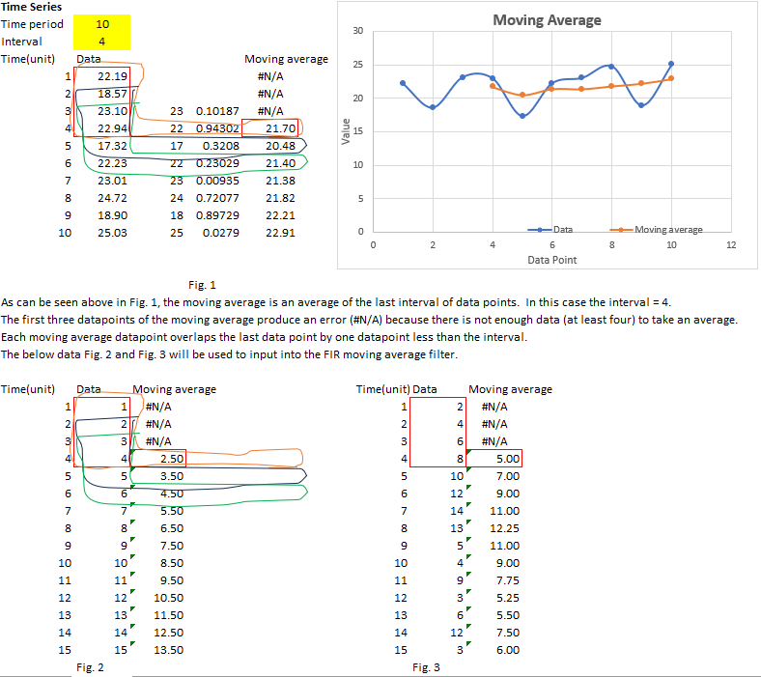

Block Diagram

Design Verilog HDL Code - 4bit words
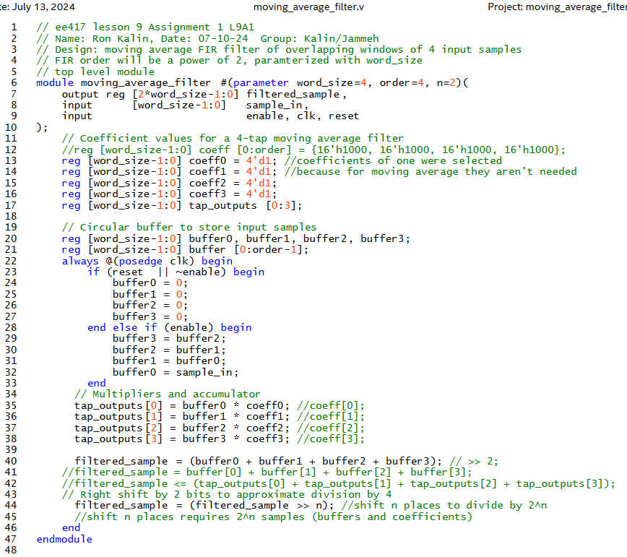

Testbench Verilog HDL Code -4bit
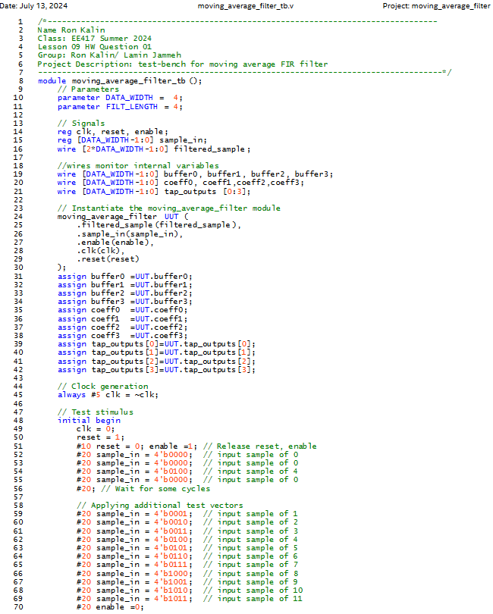

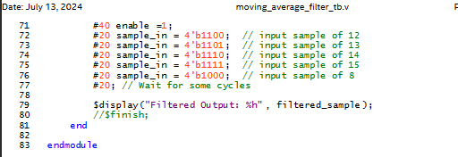

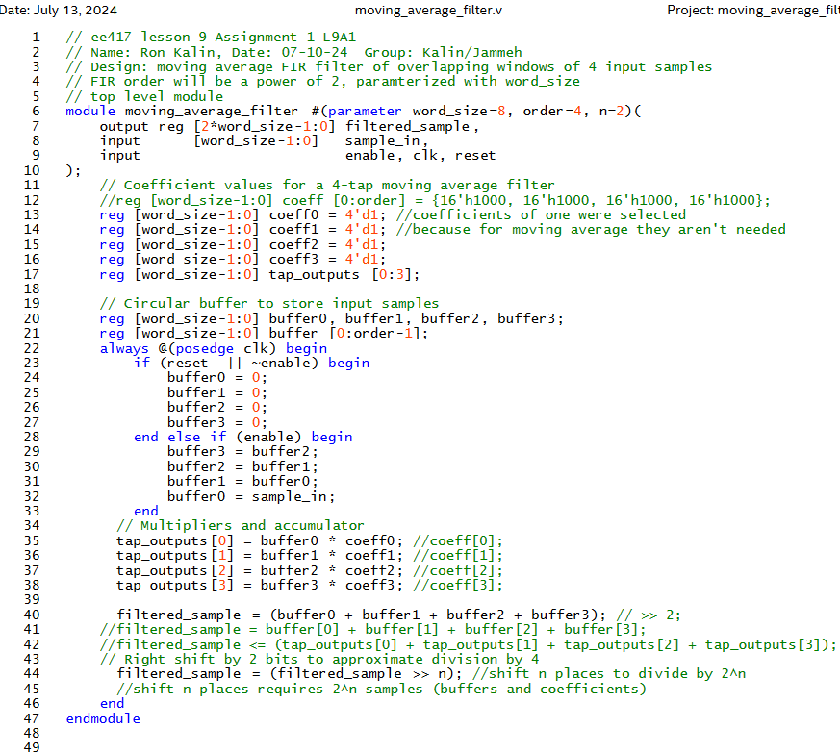
Design Verilog HDL Code - 8bit words |  |  |  | // ee417 lesson 9 Assignment 1 L9A1
 |  |  |  | // Name: Ron Kalin, Date: 07-10-24 Group: Kalin/Jammeh
 |  |  |  | // Design: moving average FIR filter of overlapping windows of 4 input samples
 |  |  |  | // FIR order will be a power of 2, paramterized with word_size
 |  |  |  | // top level module
 |  |  |  | module moving_average_filter #(parameter word_size=8, order=4, n=2)(
 |  |  |  | output reg [2*word_size-1:0] filtered_sample,
 |  |  |  |  | input [word_size-1:0] sample_in,
 |  |  |  |  | input enable, clk, reset
 |  |  |  | );
 |  |  |  | // Coefficient values for a 4-tap moving average filter
 |  |  |  | //reg [word_size-1:0] coeff [0:order] = {16'h1000, 16'h1000, 16'h1000, 16'h1000};
 |  |  |  |  | reg [word_size-1:0] coeff0 = 4'd1; //coefficients of one were selected
 |  |  |  |  | reg [word_size-1:0] coeff1 = 4'd1; //because for moving average they aren't needed
 |  |  |  |  | reg [word_size-1:0] coeff2 = 4'd1;
 |  |  |  |  | reg [word_size-1:0] coeff3 = 4'd1;
 |  |  |  |  | reg [word_size-1:0] tap_outputs [0:3];

 |  |  |  | // Circular buffer to store input samples
 |  |  |  | reg [word_size-1:0] buffer0, buffer1, buffer2, buffer3;
 |  |  |  |  | reg [word_size-1:0] buffer [0:order-1];
 |  |  |  | always @(posedge clk) begin
 |  |  |  | if (reset || ~enable) begin
 |  |  |  | buffer0 = 0;
 |  |  |  |  |  |  | buffer1 = 0;
 |  |  |  |  |  |  | buffer2 = 0;
 |  |  |  |  |  |  | buffer3 = 0;
 |  |  |  | end else if (enable) begin
 |  |  |  | buffer3 = buffer2;
 |  |  |  |  |  |  | buffer2 = buffer1;
 |  |  |  |  |  |  | buffer1 = buffer0;
 |  |  |  |  |  |  | buffer0 = sample_in;
 |  |  |  | end
 |  |  |  |  | // Multipliers and accumulator
 |  |  |  | tap_outputs[0] = buffer0 * coeff0; //coeff[0];
 |  |  |  | tap_outputs[1] = buffer1 * coeff1; //coeff[1];
 |  |  |  | tap_outputs[2] = buffer2 * coeff2; //coeff[2];
 |  |  |  | tap_outputs[3] = buffer3 * coeff3; //coeff[3];

 |  |  |  |  | filtered_sample = (buffer0 + buffer1 + buffer2 + buffer3); // >> 2;
 |  |  |  |  | //filtered_sample = buffer[0] + buffer[1] + buffer[2] + buffer[3];
RTL Viewer |  |  |  | //filtered_sample <= (tap_outputs[0] + tap_outputs[1] + tap_outputs[2] + tap_outputs[3]);
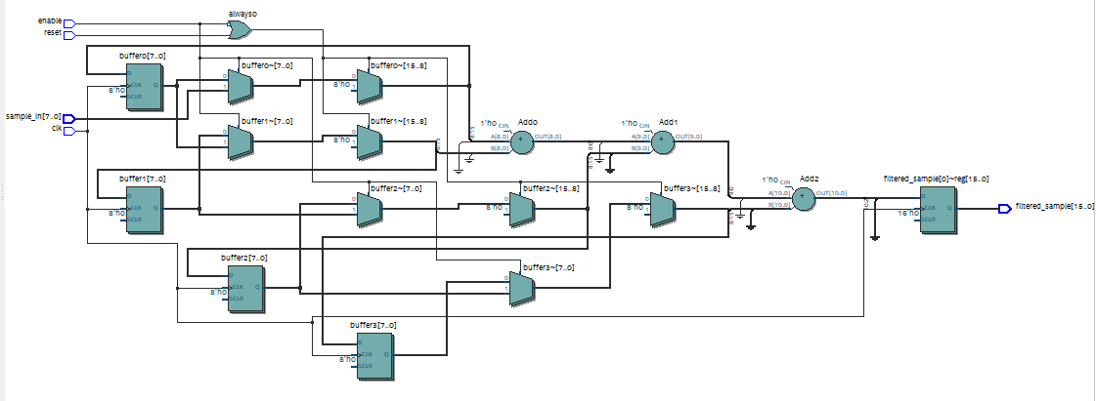
 |  |  |  |  | // Right shift by 2 bits to approximate division by 4
 |  |  |  | filtered_sample = (filtered_sample >> n); //shift n places to divide by 2^n
 |  |  |  |  |  | //shift n places requires 2^n samples (buffers and coefficients)
 |  |  |  | end
 |  |  |  | endmodule

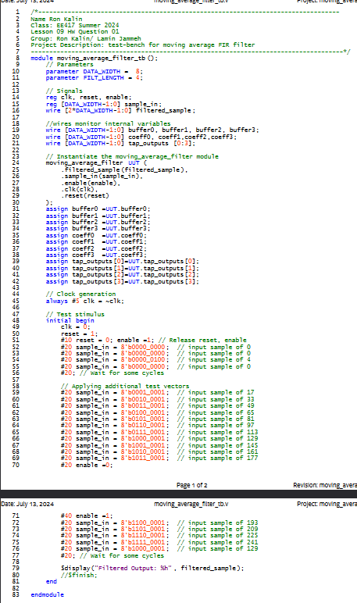
Testbench Verilog HDL Code 8bit |  |  |  | /*----------------------------------------------------------------------------------
 |  |  |  | Name Ron Kalin
 |  |  |  | Class: EE417 Summer 2024
 |  |  |  | Lesson 09 HW Question 01
 |  |  |  | Group: Ron Kalin/ Lamin Jammeh
 |  |  |  | Project Description: test-bench for moving average FIR filter
 |  |  |  | -------------------------------------------------------------------------------------*/
 |  |  |  | module moving_average_filter_tb();
 |  |  |  | // Parameters
 |  |  |  | parameter DATA_WIDTH = 8;
 |  |  |  | parameter FILT_LENGTH = 4;

 |  |  |  | // Signals
 |  |  |  | reg clk, reset, enable;
 |  |  |  | reg [DATA_WIDTH-1:0] sample_in;
 |  |  |  | wire [2*DATA_WIDTH-1:0] filtered_sample;

 |  |  |  |  | //wires monitor internal variables
 |  |  |  |  | wire [DATA_WIDTH-1:0] buffer0, buffer1, buffer2, buffer3;
 |  |  |  |  | wire [DATA_WIDTH-1:0] coeff0, coeff1,coeff2,coeff3;
 |  |  |  |  | wire [DATA_WIDTH-1:0] tap_outputs [0:3];

 |  |  |  | // Instantiate the moving_average_filter module
 |  |  |  | moving_average_filter UUT (
 |  |  |  | .filtered_sample(filtered_sample),
 |  |  |  |  |  | .sample_in(sample_in),
 |  |  |  |  |  | .enable(enable),
 |  |  |  |  |  | .clk(clk),
 |  |  |  | .reset(reset)
 |  |  |  | );
 |  |  |  | assign buffer0 =UUT.buffer0;
 |  |  |  |  | assign buffer1 =UUT.buffer1;
 |  |  |  |  | assign buffer2 =UUT.buffer2;
 |  |  |  |  | assign buffer3 =UUT.buffer3;
 |  |  |  |  | assign coeff0 =UUT.coeff0;
 |  |  |  |  | assign coeff1 =UUT.coeff1;
 |  |  |  |  | assign coeff2 =UUT.coeff2;
 |  |  |  |  | assign coeff3 =UUT.coeff3;
 |  |  |  |  | assign tap_outputs[0]=UUT.tap_outputs[0];
 |  |  |  |  | assign tap_outputs[1]=UUT.tap_outputs[1];
 |  |  |  |  | assign tap_outputs[2]=UUT.tap_outputs[2];
 |  |  |  |  | assign tap_outputs[3]=UUT.tap_outputs[3];

 |  |  |  | // Clock generation
 |  |  |  | always #5 clk = ~clk;

 |  |  |  | // Test stimulus
 |  |  |  | initial begin
 |  |  |  | clk = 0;
 |  |  |  | reset = 1;
 |  |  |  |  |  | #10 reset = 0; enable =1; // Release reset, enable
 |  |  |  |  |  | #20 sample_in = 8'b0000_0000; // input sample of 0
 |  |  |  |  |  | #20 sample_in = 8'b0000_0000; // input sample of 0
 |  |  |  | #20 sample_in = 8'b0000_0100; // input sample of 4
 |  |  |  | #20 sample_in = 8'b0000_0000; // input sample of 0
 |  |  |  | #20; // Wait for some cycles

 |  |  |  | // Applying additional test vectors
 |  |  |  |  |  | #20 sample_in = 8'b0001_0001; // input sample of 17
 |  |  |  |  |  | #20 sample_in = 8'b0010_0001; // input sample of 33
 |  |  |  | #20 sample_in = 8'b0011_0001; // input sample of 49
 |  |  |  | #20 sample_in = 8'b0100_0001; // input sample of 65
 |  |  |  |  |  | #20 sample_in = 8'b0101_0001; // input sample of 81
 |  |  |  |  |  | #20 sample_in = 8'b0110_0001; // input sample of 97
 |  |  |  | #20 sample_in = 8'b0111_0001; // input sample of 113
 |  |  |  | #20 sample_in = 8'b1000_0001; // input sample of 129
 |  |  |  |  |  | #20 sample_in = 8'b1001_0001; // input sample of 145
 |  |  |  |  |  | #20 sample_in = 8'b1010_0001; // input sample of 161
 |  |  |  | #20 sample_in = 8'b1011_0001; // input sample of 177
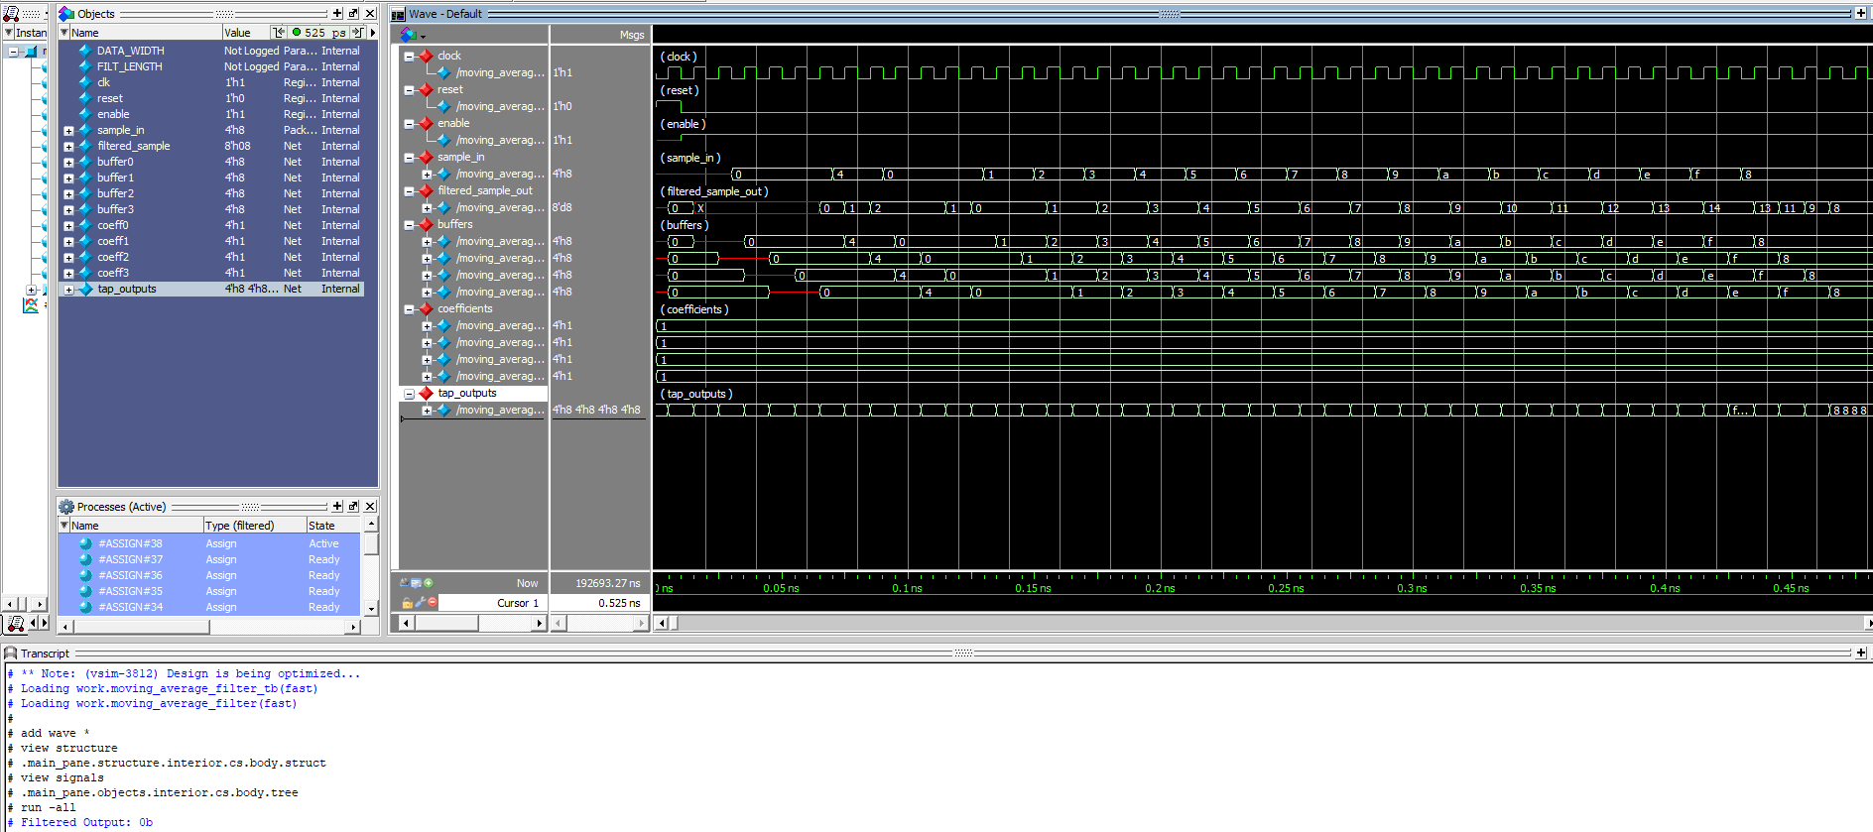
RTL Simulation -from Questa, showing enable=0 to 1, reset 0 to 1, and 4-bit input (sample_in) with output moving average (filtered_sample_out) |  |  |  |  |  | #20 enable =0;
 |  |  |  |  |  | #40 enable =1;
 |  |  |  | #20 sample_in = 8'b1100_0001; // input sample of 193
 |  |  |  |  |  | #20 sample_in = 8'b1101_0001; // input sample of 209
 |  |  |  |  |  | #20 sample_in = 8'b1110_0001; // input sample of 225
 |  |  |  | #20 sample_in = 8'b1111_0001; // input sample of 241
 |  |  |  | #20 sample_in = 8'b1000_0001; // input sample of 129a
 |  |  |  | #20; // Wait for some cycles

 |  |  |  | $display("Filtered Output: %h", filtered_sample);
 |  |  |  | //$finish;
 |  |  |  | end

 |  |  |  | endmodule

RTL Simulation -shows enable=0 to 1 back to 0 then 1, reset 0 to 1, and 4-bit input (sample_in) with output moving average (filtered_sample_out)
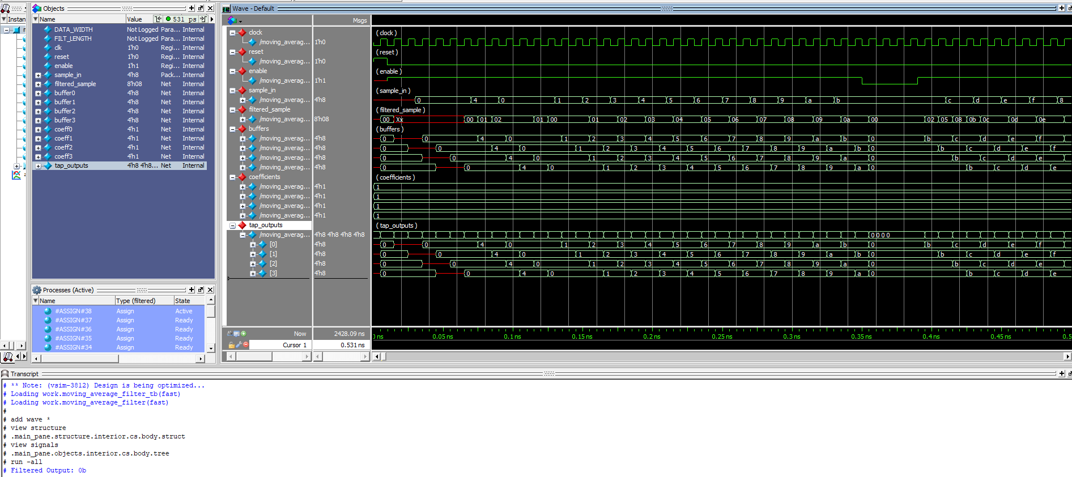

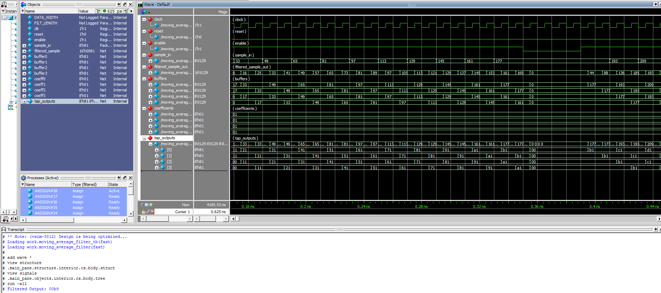
RTL Simulation -shows enable=0 to 1 back to 0 then 1, reset 0 to 1, and 8-bit input (sample_in) with output moving average (filtered_sample_out)

Conclusion
Reset low means system active. Reset high means reset to zero. Enable =0 is the same as reset. Enable =1 means system active.
There is a longer disabled period in the second figure above.
filtered_sample_out = moving average of sample_in staggerred in overlapping windows using four buffers (0 thru 3).
Since the output can only be a whole number, results are rounded by truncation. This can be seen in the red box 2nd figure.
In the first two figures 4-bit words were used. In the last Figure 8-bit words were used.

